Sheet1
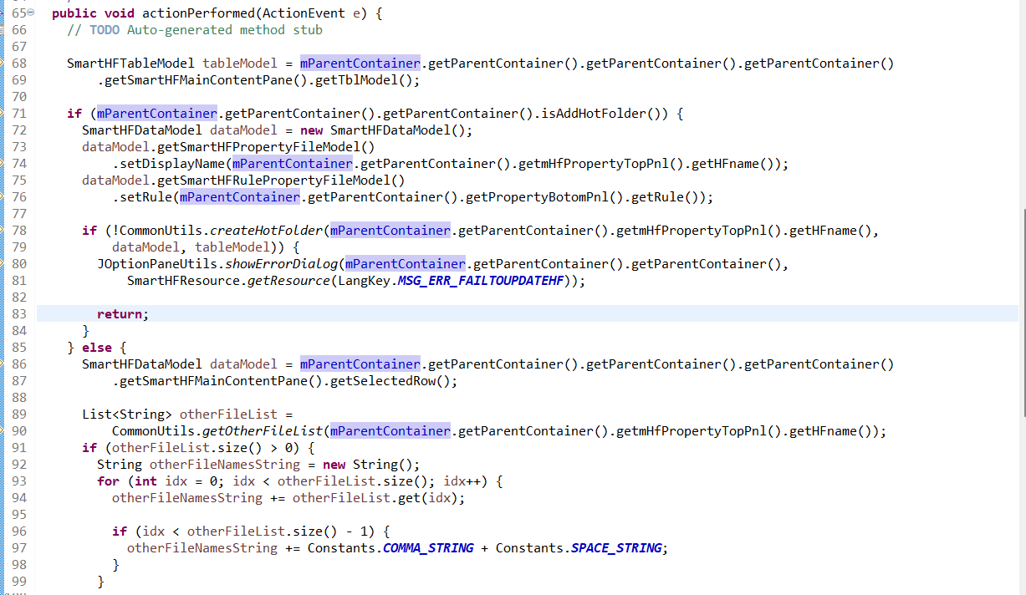
 |  | Dòng 68->69:

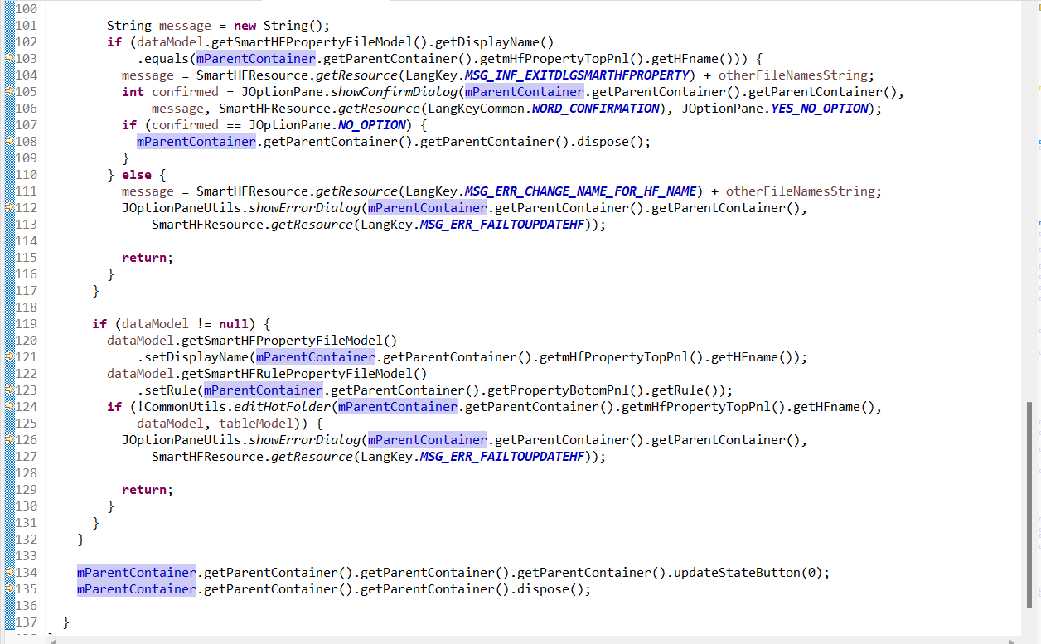

explain:

I. Main screen:
 | 1. How to load data to table ?
 | 2. How to update state button ?
 | 3. Confirm exit?
 | 4. How to load action copy, property
 | 5. how to delete?
II. Property Screen:
 | 1. How to distinguish add with edit?
 | 2. How to load marco to combobox?
 | 3. How to add row and delete row?

explain: | okAction

explain: | 1. commonuitils
 | 2. file utils
 | 3. String utils
 | 4. Marorow and marcorows

III. Copy Screen
 | 1. how to load smartHF name
 | 2. copying name?
 | 3. okCopyAction?

